Dashboard - Sample
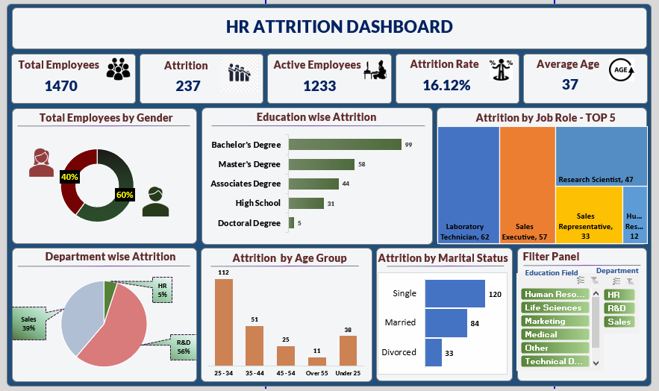

Blank - Layout
`

